Sheet1
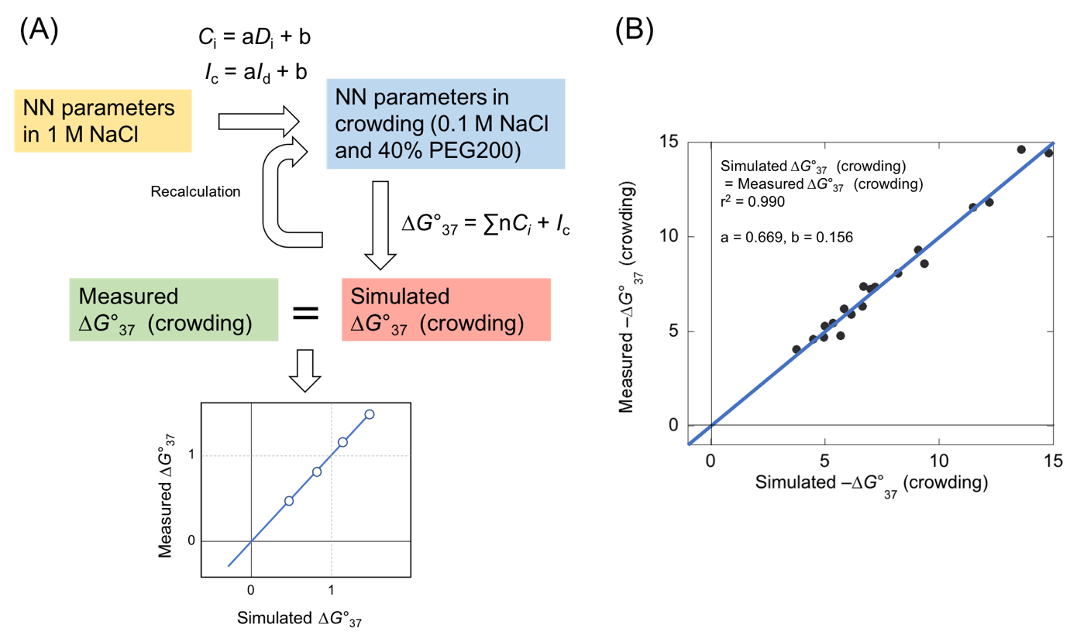
 | ∆H | ∆S | ∆G | 0.1M | 0.1M crowding |  | Seq No | ∆G (observed) | ∆G (predicted) |  | NN (predicted)
AA/TT | -8.4 | -23.6 | -1.02 | -2.3126 | 0.030526 |  | 1 | -5.7 | -4.53642 | AA/TT | -0.52638 |  |  |  | -0.52638 |  |  |  | -4.53642 | -5.7
AT/TA | -6.5 | -18.8 | -0.73 | -2.1299 | 0.211399 |  | 2 | -5.35 | -5.16771 | AT/TA | -0.33237 |  |  |  | -0.33237 |  |  |  | -5.16771 | -5.35
TA/AT | -6.3 | -18.5 | -0.6 | -2.048 | 0.29248 |  | 3 | -6.15 | -5.59587 | TA/AT | -0.2454 |  |  |  | -0.2454 |  |  |  | -5.59587 | -6.15
CA/GT | -7.4 | -19.3 | -1.38 | -2.5394 | -0.194006 |  | 4 | -3.75 | -3.82302 | CA/GT | -0.76722 |  |  |  | -0.76722 |  |  |  | -3.82302 | -3.75
GT/CA | -8.6 | -23 | -1.43 | -2.5709 | -0.225191 |  | 5 | -5 | -5.01384 | GT/CA | -0.80067 |  |  |  | -0.80067 |  |  |  | -5.01384 | -5
CT/GA | -6.1 | -16.1 | -1.16 | -2.4008 | -0.056792 |  | 6 | -5.85 | -5.87259 | CT/GA | -0.62004 |  |  |  | -0.62004 |  |  |  | -5.87259 | -5.85
GA/CT | -7.7 | -20.3 | -1.46 | -2.5898 | -0.243902 |  | 7 | -4.95 | -4.42086 | GA/CT | -0.82074 |  |  |  | -0.82074 |  |  |  | -4.42086 | -4.95
CG/GC | -10.1 | -25.5 | -2.09 | -2.9867 | -0.636833 |  | 8 | -9.35 | -8.15388 | CG/GC | -1.24221 |  |  |  | -1.24221 |  |  |  | -8.15388 | -9.35
GC/CG | -11.1 | -28.4 | -2.28 | -3.1064 | -0.755336 |  | 9 | -6.65 | -5.98206 | GC/CG | -1.36932 |  |  |  | -1.36932 |  |  |  | -5.98206 | -6.65
GG/CC | -6.7 | -15.6 | -1.77 | -2.7851 | -0.437249 |  | 10 | -4.5 | -4.32051 | GG/CC | -1.02813 |  |  |  | -1.02813 |  |  |  | -4.32051 | -4.5
initation GC | 0 | -5.9 | 1.82 | -0.5234 | 1.801834 |  | 11 | -7 | -6.87609 | initation GC | 1.37358 |  |  |  | 1.37358 |  |  |  | -6.87609 | -7
initiation AT | 0 | 0 | 2.8 | 0.094 | 2.41306 |  | 12 | -6.7 | -6.98556 | initiation AT | 2.0292 |  |  |  | 2.0292 |  |  |  | -6.98556 | -6.7
symmetry | 0 | -1.4 | 0.4 | -1.418 | 0.91618 |  | 13 | -9.1 | -8.83869 | symmetry | 0.4236 |  |  |  | 0.4236 |  |  |  | -8.83869 | -9.1
5'term TA | 0.4 | 0 | 0.4 | -1.418 | 0.91618 |  | 14 | -12.2 | -11.22945 | 5'term TA | 0.4236 |  |  |  | 0.4236 |  |  |  | -11.22945 | -12.2
 |  |  |  |  |  |  | 15 | -11.5 | -10.96854 |  |  |  |  |  |  |  |  |  | -10.96854 | -11.5
SantaLucia et al, Biochemistry 1996 35 3555 |  |  |  |  |  |  | 16 | -7.2 | -6.94116 |  |  |  | coeff_a | 0.669 |  |  |  |  | -6.94116 | -7.2
 |  |  |  |  |  |  | 17 | -8.2 | -7.64361 |  |  |  | coeff_b | 0.156 |  |  |  |  | -7.64361 | -8.2
 |  |  |  |  |  |  | 18 | -13.6 | -13.88112 |  |  |  |  |  |  |  |  |  | -13.88112 | -13.6
 |  |  |  |  |  |  | 19 | -14.8 | -13.71387 |  |  |  |  |  |  |  |  |  | -13.71387 | -14.8

 |  |  |  |  |  |  |  |  | 0.98973000897

 | Calculation from Slope and Intercept function |  |  | Calculation from fitting by linear regression |  |  |  | -0.19305170371
 |  | Slope, Intercept | simulation result | Slope, Intercept
 |  | 0.65 | 0.49031880363 | 0.669, 0.156 |  |  |  | 1.0279867955
 |  |  | 0.93304618519
 |  | 0.6 | 0.49031880363
 |  |  | 1.010800034
 |  | 0.615 | 0.4903188
 |  |  | 0.98614637
 |  | 0.606 | 0.49031880363
 |  |  | 1.0007921128 |  | 0.1 M | Just conversoin from Nakano equation |  |  |  |  |  |  | Crowd | Just conversoin from Nakano equation and us
 |  | 0.606, 0.1 | 0.033435315901 |  |  | Seq No |  |  |  |  |  |  |  | Seq No
 |  |  | 1.0932801665 |  |  | 1 | -5.7 | -15.1734 | AA/TT | -2.3126 |  | -2.3126 |  | 1 | -5.7 | -1.101666 | AA/TT | 0.030526 |  | 0.030526
 |  | 0.61,0.1 | 0.036835475584 |  |  | 2 | -5.35 | -19.4017 | AT/TA | -2.1299 |  | -2.1299 |  | 2 | -5.35 | -0.647683 | AT/TA | 0.211399 |  | 0.211399
 |  |  | 1.0854713222 |  |  | 3 | -6.15 | -19.8049 | TA/AT | -2.048 |  | -2.048 |  | 3 | -6.15 | -1.046851 | TA/AT | 0.29248 |  | 0.29248
 |  | 0.61, 0.11 | -0.015310498685 |  |  | 4 | -3.75 | -18.1354 | CA/GT | -2.5394 |  | -2.5394 |  | 4 | -3.75 | 0.605954 | CA/GT | -0.194006 |  | -0.194006
 |  |  | 1.0952174162 |  |  | 5 | -5 | -19.2568 | GT/CA | -2.5709 |  | -2.5709 |  | 5 | -5 | -0.504232 | GT/CA | -0.225191 |  | -0.225191
 |  | 0.62, 0.11 | -0.0059590861967 |  |  | 6 | -5.85 | -23.6993 | CT/GA | -2.4008 |  | -2.4008 |  | 6 | -5.85 | -0.262307 | CT/GA | -0.056792 |  | -0.056792
 |  |  | 1.0758431833 |  |  | 7 | -4.95 | -22.3322 | GA/CT | -2.5898 |  | -2.5898 |  | 7 | -4.95 | 1.091122 | GA/CT | -0.243902 |  | -0.243902
 |  | 0.64, 0.11 | 0.011747357218 |  |  | 8 | -9.35 | -25.8476 | CG/GC | -2.9867 |  | -2.9867 |  | 8 | -9.35 | -2.389124 | CG/GC | -0.636833 |  | -0.636833
 |  |  | 1.0390757706 |  |  | 9 | -6.65 | -27.4362 | GC/CG | -3.1064 |  | -3.1064 |  | 9 | -6.65 | 0.678162 | GC/CG | -0.755336 |  | -0.755336
 |  | 0.65, 0.1 | 0.068255310514 |  |  | 10 | -4.5 | -22.2377 | GG/CC | -2.7851 |  | -2.7851 |  | 10 | -4.5 | 1.184677 | GG/CC | -0.437249 |  | -0.437249
 |  |  | 1.0130977277 |  |  | 11 | -7 | -24.6443 | initation GC | -0.5234 |  | -0.5234 |  | 11 | -7 | -1.197857 | initation GC | 1.801834 |  | 1.801834
 |  | 0.654, 0.107 | 0.037858275872 |  |  | 12 | -6.7 | -28.3812 | initiation AT | 0.094 |  | 0.094 |  | 12 | -6.7 | -0.257388 | initiation AT | 2.41306 |  | 2.41306
 |  |  | 1.012263052 |  |  | 13 | -9.1 | -30.1263 | symmetry | -1.418 |  | -1.418 |  | 13 | -9.1 | -1.985037 | symmetry | 0.91618 |  | 0.91618
 |  | 0.658, 0.114 | 0.0073634762559 |  |  | 14 | -12.2 | -36.0115 | 5'term TA | -1.418 |  | -1.418 |  | 14 | -12.2 | -3.171385 | 5'term TA | 0.91618 |  | 0.91618
 |  |  | 1.0114105179 |  |  | 15 | -11.5 | -35.7658 |  |  |  |  |  | 15 | -11.5 | -2.928142
 |  | 0.66, 0.115 | 0.0042058949786 |  |  | 16 | -7.2 | -31.9732 |  |  |  |  |  | 16 | -7.2 | 0.826532
 |  |  | 1.0088903225 |  |  | 17 | -8.2 | -32.6347 |  |  |  |  |  | 17 | -8.2 | 0.171647
 |  | 0.661, 0.115 | 0.0050470185103 |  |  | 18 | -13.6 | -42.1424 |  |  |  |  |  | 18 | -13.6 | -4.600976
 |  |  | 1.0072191849 |  |  | 19 | -14.8 | -41.9849 |  |  |  |  |  | 19 | -14.8 | -4.445051
 |  | 0.665, 0.115 | 0.008382731476
 |  |  | 1.0005894904
 |  | 0.666, 0.117 | -0.00037359580193
 |  |  | 1.0005832327

